Introduction
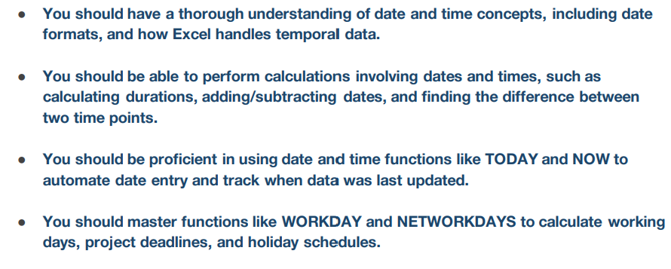

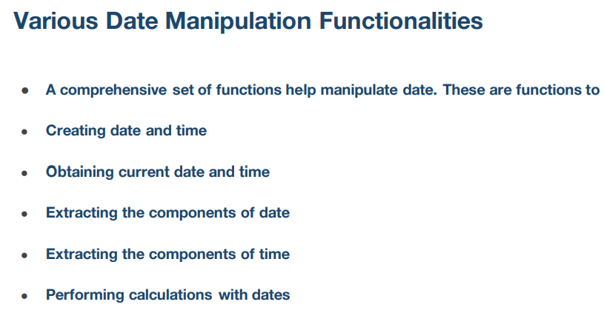

Date Function
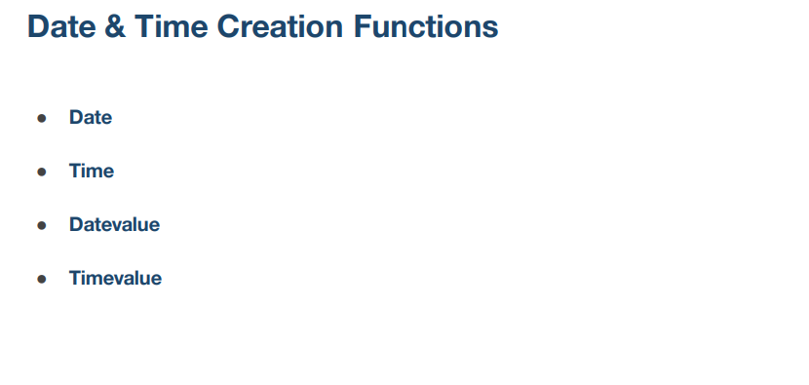

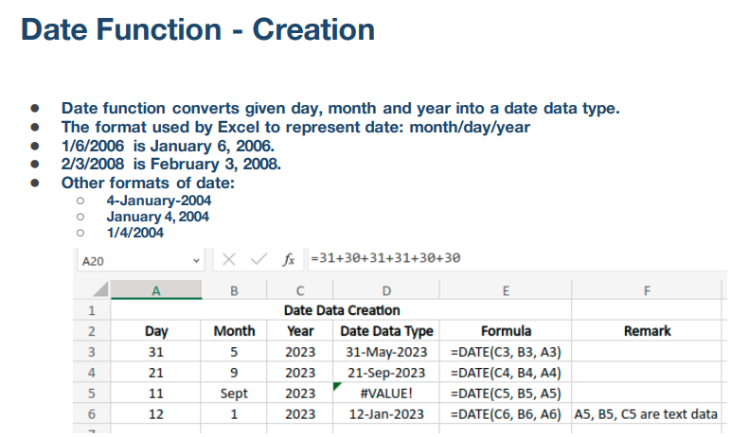
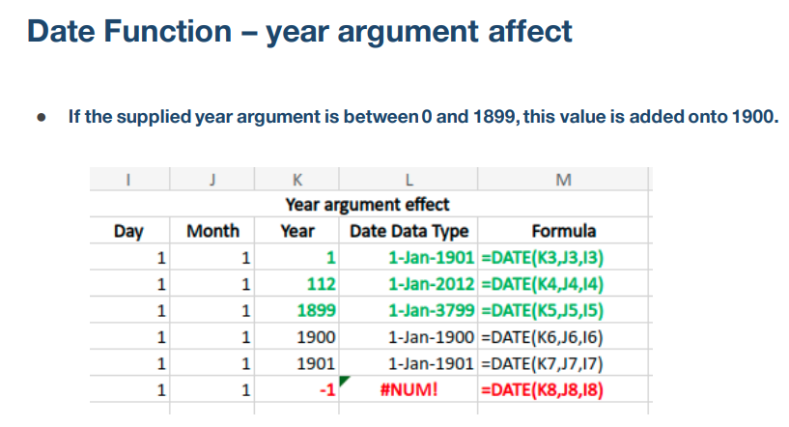

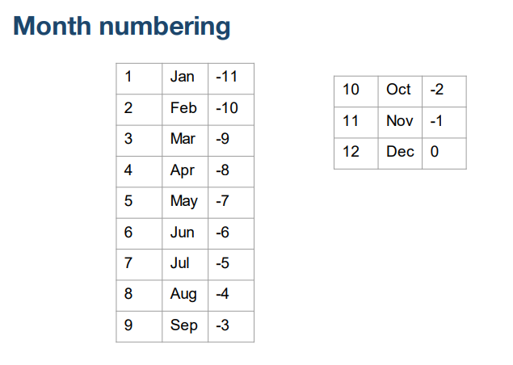
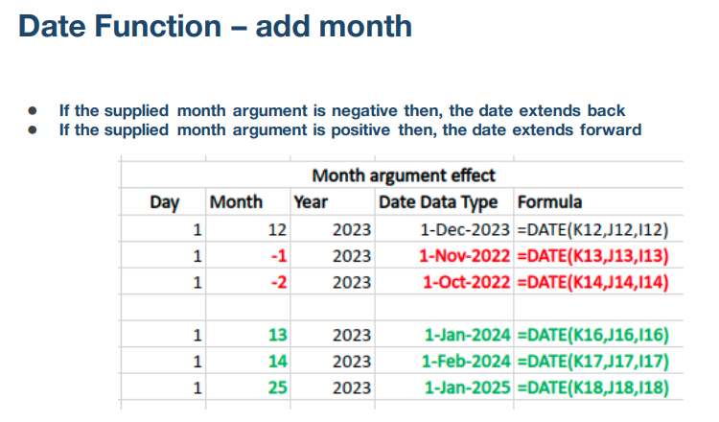

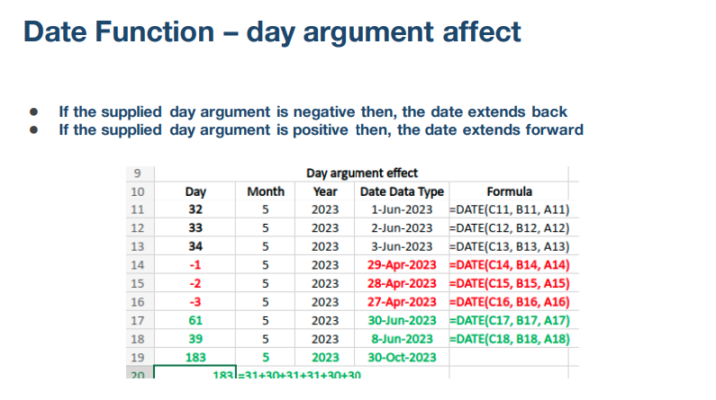

Date Data Creation |  |  |  |  |  | Year argument effect
Day | Month | Year | Date Data Type | Formula | Remark | Day | Month | Year | Date Data Type | Formula
31 | 5 | 2023 | 31-May-2023 | =DATE(C132,B132,A132) |  | 1 | 1 | 1 | 1-Jan-1901 | =DATE(K132,J132,I132)
21 | 9 | 2023 | 21-Sep-2023 | =DATE(C133,B133,A133) |  | 1 | 1 | 112 | 1-Jan-2012 | =DATE(K133,J133,I133)
11 | Sept | 2023 | #VALUE! | not pass textual data |  | 1 | 1 | 0 | 1-Jan-1900 | =DATE(K134,J134,I134)
12 | 1 | 2023 | 12-Jan-2023 | =DATE(C135,B135,A135) | A5, B5, C5 are text data | 1 | 1 | 1900 | 1-Jan-1900 | =DATE(K135,J135,I135)
 |  |  |  |  |  | 1 | 1 | 1901 | 1-Jan-1901 | =DATE(K136,J136,I136)
 |  |  |  |  |  | 1 | 1 | -1 | #NUM! | =DATE(K137,J137,I137)
Day argument effect
Day | Month | Year | Date Data Type | Formula |  | Month argument effect
32 | 5 | 2023 | 1-Jun-2023 | =DATE(C140,B140,A140) |  | Day | Month | Year | Date Data Type | Formula
33 | 5 | 2023 | 2-Jun-2023 | =DATE(C141,B141,A141) |  | 1 | 12 | 2023 | 1-Dec-2023 | =DATE(K141,J141,I141)
34 | 5 | 2023 | 3-Jun-2023 | =DATE(C142,B142,A142) |  | 1 | -1 | 2023 | 1-Nov-2022 | =DATE(K142,J142,I142)
-1 | 5 | 2023 | 29-Apr-2023 | =DATE(C143,B143,A143) |  | 1 | -2 | 2023 | 1-Oct-2022 | =DATE(K143,J143,I143)
-2 | 5 | 2023 | 28-Apr-2023 | =DATE(C144,B144,A144)
-3 | 5 | 2023 | 27-Apr-2023 | =DATE(C145,B145,A145) |  | 1 | 13 | 2023 | 1-Jan-2024 | =DATE(K145,J145,I145)
61 | 5 | 2023 | 30-Jun-2023 | =DATE(C146,B146,A146) |  | 1 | 14 | 2023 | 1-Feb-2024 | =DATE(K146,J146,I146)
39 | 5 | 2023 | 8-Jun-2023 | =DATE(C147,B147,A147) |  | 1 | 25 | 2023 | 1-Jan-2025 | =DATE(K147,J147,I147)
183 | 5 | 2023 | 30-Oct-2023 | =DATE(C148,B148,A148) |  | 1 | -12 | 2023 | 1-Dec-2021 | =DATE(K148,J148,I148)
183 | =31+30+31+31+30+30 |  |  |  |  | 1 | -13 | 2023 | 1-Nov-2021 | =DATE(K149,J149,I149)

Time Function
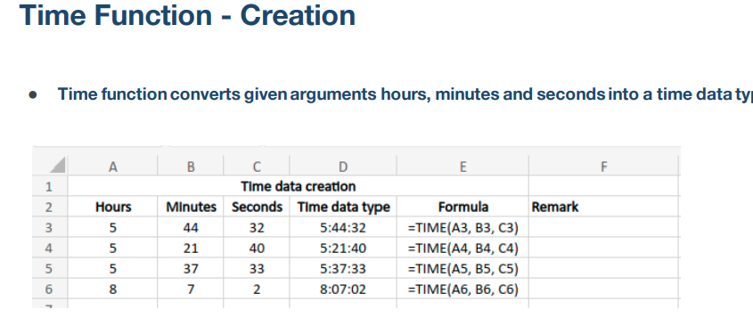

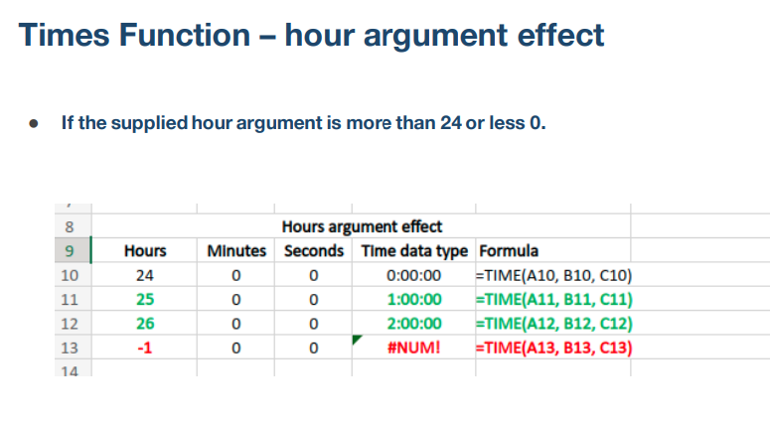
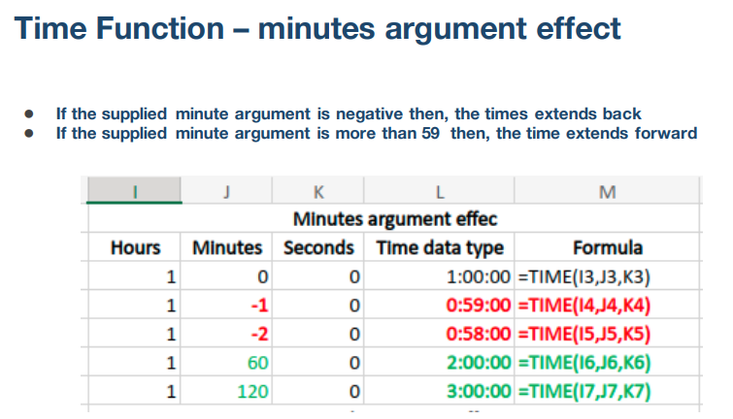

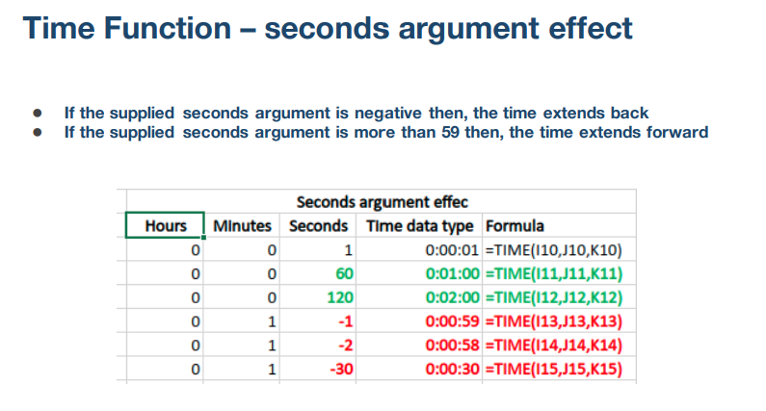

Time data creation |  |  |  |  |  | Minutes argument effec
Hours | Minutes | Seconds | Time data type | Formula | Remark | Hours | Minutes | Seconds | Time data type | Formula
5 | 44 | 32 |  |  |  | 1 | 0 | 0
5 | 21 | 40 |  |  |  | 1 | -1 | 0
5 | 37 | 33 |  |  |  | 1 | -2 | 0
8 | 7 | 2 |  |  |  | 1 | 60 | 0
 |  |  |  |  |  | 1 | 120 | 0
Hours argument effect |  |  |  |  |  | Seconds argument effec
Hours | Minutes | Seconds | Time data type | Formula |  | Hours | Minutes | Seconds | Time data type | Formula
24 | 0 | 0 |  |  |  | 0 | 0 | 1
25 | 0 | 0 |  |  |  | 0 | 0 | 60
26 | 0 | 0 |  |  |  | 0 | 0 | 120
-1 | 0 | 0 |  |  |  | 0 | 1 | -1
 |  |  |  |  |  | 0 | 1 | -2
 |  |  |  |  |  | 0 | 1 | -30

Datevalue Function
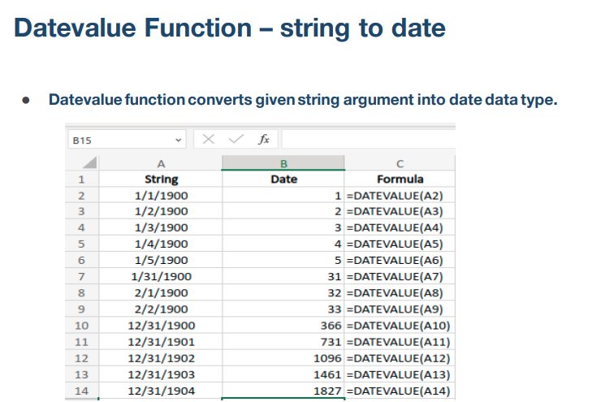

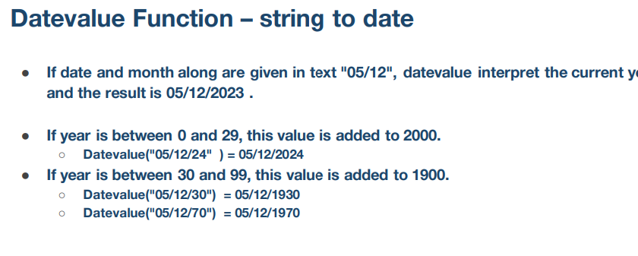

String | Date | Formula
1/1/1900
1/2/1900
1/3/1900
1/4/1900
1/5/1900
1/31/1900
2/1/1900
2/2/1900
12/31/1900
12/31/1901
12/31/1902
12/31/1903
12/31/1904

Timevalue Function
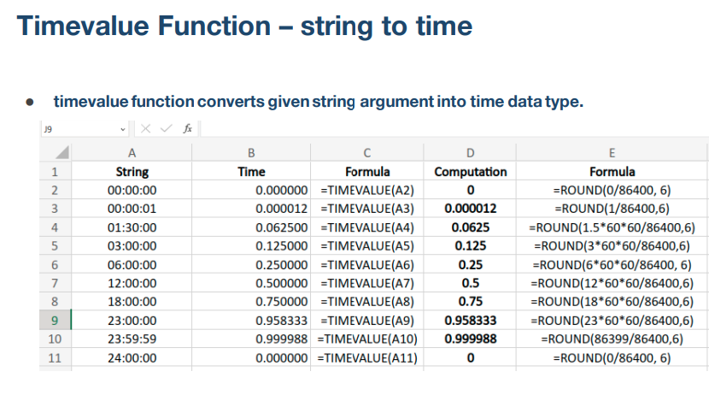

String | Time | Formula | Computation | Formula
00:00:00
00:00:01
01:30:00
03:00:00
06:00:00
12:00:00
18:00:00
23:00:00
23:59:59
24:00:00

Current Date and Time Functions
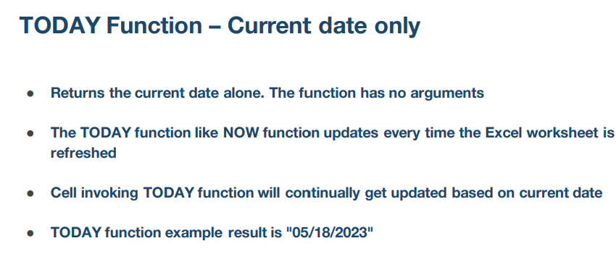

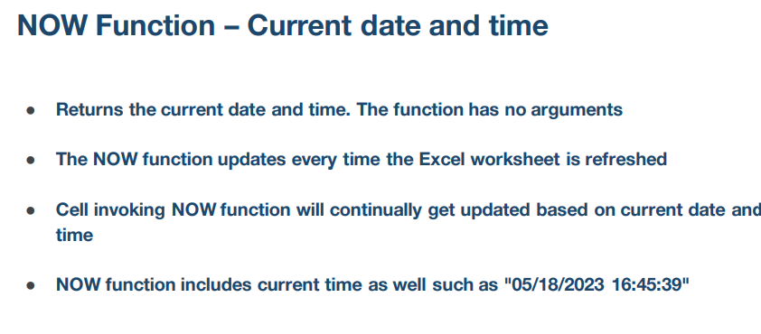

Extracting Components of Date
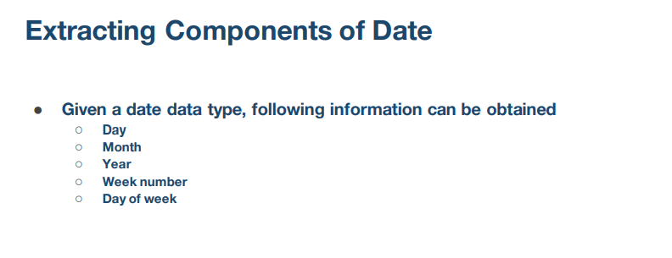

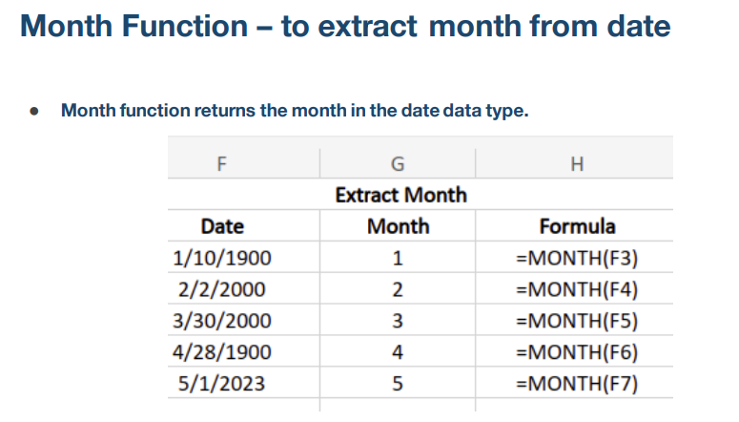
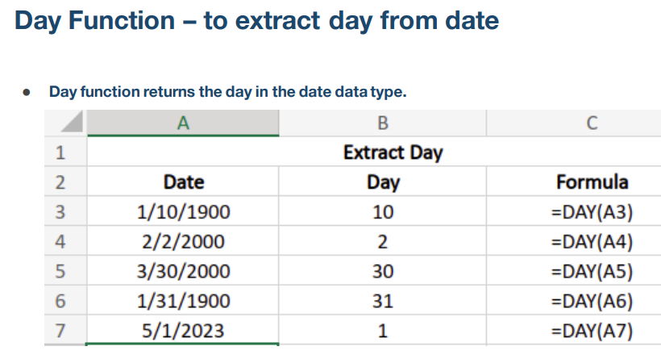

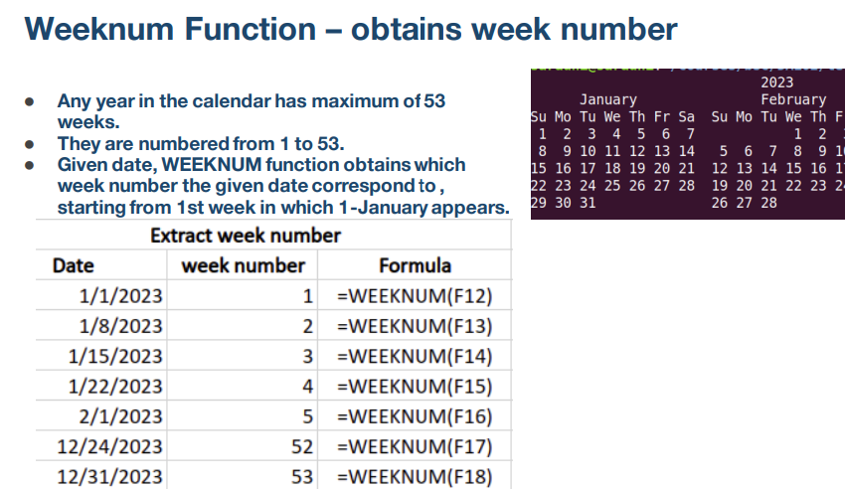
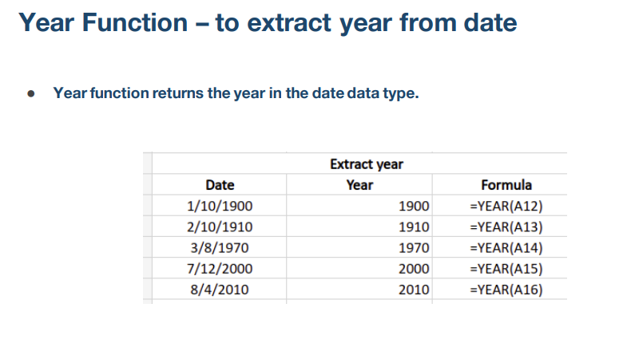

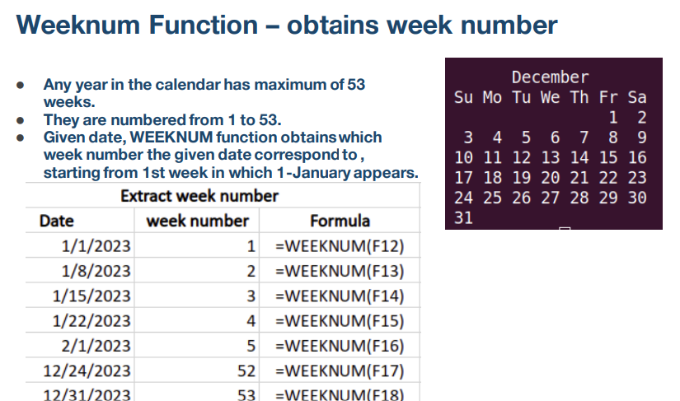
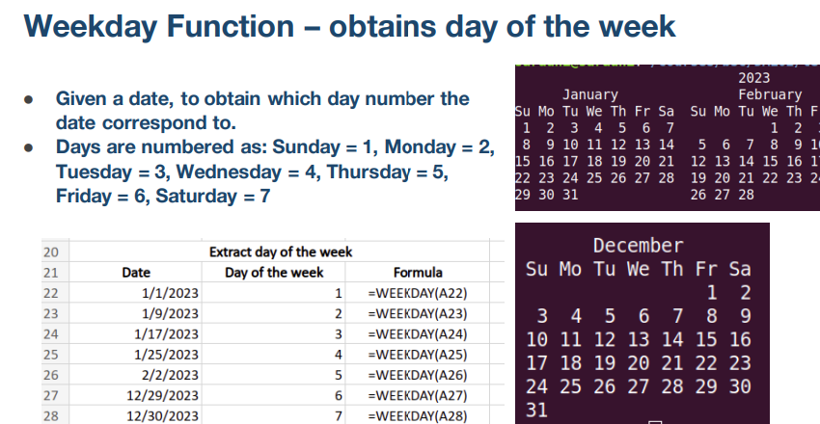

Extract Day |  |  | Extract Month
Date | Day | Formula | Date | Month | Formula
1900-01-10 |  |  | 1900-01-10
2000-02-02 |  |  | 2000-02-02
2000-03-30 |  |  | 2000-03-30
1900-01-31 |  |  | 1900-04-28
2023-05-01 |  |  | 2023-05-01

Extract year |  |  | Extract week number
Date | Year | Formula | Date | week number | Formula
1900-01-10 |  |  | 2023-01-01
1910-02-10 |  |  | 2023-01-08
1970-03-08 |  |  | 2023-01-15
2000-07-12 |  |  | 2023-01-22
2010-08-04 |  |  | 2023-02-01
 |  |  | 2023-12-24
 |  |  | 2023-12-31

Extract day of the week
Date | Day of the week | Formula
2023-01-01
2023-01-09
2023-01-17
2023-01-25
2023-02-02
2023-12-29
2023-12-30

Networkdays Function
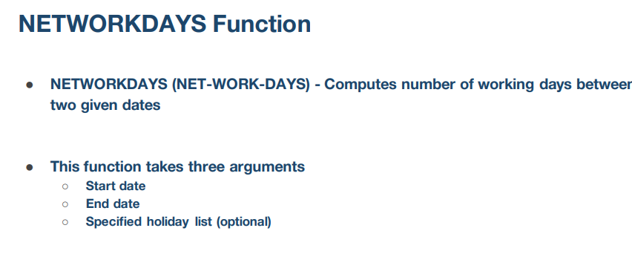

Compute number of working days between two given dates
Start Date | End Date | Result | Formula | Holidays | Result with holidays | Formula
9/5/2023 | 2023-10-05 | 23 | =NETWORKDAYS(A20,B20) | 2023-10-02 | 22 | =NETWORKDAYS(A20,B20,$E$20:$E$24)
9/5/2023 | 2023-11-05 | 44 | =NETWORKDAYS(A21,B21) | 2023-11-02 | 42 | =NETWORKDAYS(A21,B21,$E$20:$E$24)
9/5/2023 | 2023-12-05 | 66 | =NETWORKDAYS(A22,B22) | 2023-12-02 | 64 | =NETWORKDAYS(A22,B22,$E$20:$E$24)
9/5/2023 | 2024-01-05 | 89 | =NETWORKDAYS(A23,B23) | 2024-01-02 | 86 | =NETWORKDAYS(A23,B23,$E$20:$E$24)
9/5/2023 | 2024-02-05 | 110 | =NETWORKDAYS(A24,B24) | 2024-02-02 | 106 | =NETWORKDAYS(A24,B24,$E$20:$E$24)

Exampes
